Metric Prioritization Template
Instructions
Please update the Name field and Column B with your desired ranked order of priority. You can select as many priorities as you want (i.e. only specify top 20, if you don't care about the order of the rest). We will combine all results across HR to identify our order of priority and roadmap. After filling out, please use the Save As option, and return to mchan@chewy.com and jmcallister@chewy.com.

Name |  | Enter Name Here

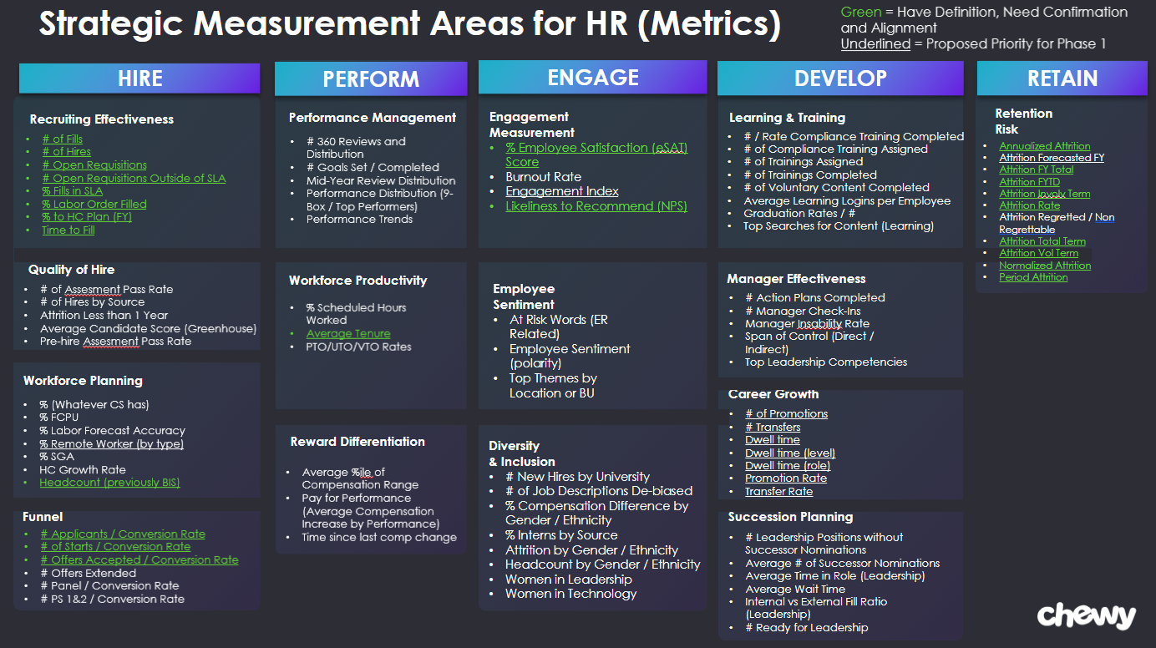
Default Priority | Ranked Priority | Key Metric | Understood (Needs Confirm) | Channel | Capability
1 |  | Headcount (previously BIS) | Yes | Hire | Workforce Planning
2 |  | % Remote Worker (by type) | No | Hire | Workforce Planning
3 |  | % Labor Order Filled | Yes | Hire | Recruiting Effectiveness
4 |  | % to HC Plan (FY) | Yes | Hire | Recruiting Effectiveness
5 |  | # Open Requisitions | Yes | Hire | Recruiting Effectiveness
6 |  | # Open Requisitions Outside of SLA | Yes | Hire | Recruiting Effectiveness
7 |  | # of Fills | Yes | Hire | Recruiting Effectiveness
8 |  | Time to Fill | Yes | Hire | Recruiting Effectiveness
9 |  | % Fills in SLA | Yes | Hire | Recruiting Effectiveness
10 |  | # of Hires | Yes | Hire | Recruiting Effectiveness
11 |  | # Applicants / Conversion Rate | Yes | Hire | Funnel
12 |  | # Offers Accepted / Conversion Rate | Yes | Hire | Funnel
13 |  | # of Starts / Conversion Rate | Yes | Hire | Funnel
14 |  | # of Promotions | No | Develop | Career Growth
15 |  | Promotion Rate | No | Develop | Career Growth
16 |  | # Transfers | No | Develop | Career Growth
17 |  | Transfer Rate | No | Develop | Career Growth
18 |  | Dwell time | No | Develop | Career Growth
19 |  | Dwell time (level) | No | Develop | Career Growth
20 |  | Dwell time (role) | No | Develop | Career Growth
21 |  | Attrition Rate | Yes | Retain | Retention Risk
22 |  | Period Attrition | Yes | Retain | Retention Risk
23 |  | Normalized Attrition | Yes | Retain | Retention Risk
24 |  | Annualized Attrition | Yes | Retain | Retention Risk
25 |  | Attrition Vol Term | Yes | Retain | Retention Risk
26 |  | Attrition Involv Term | Yes | Retain | Retention Risk
27 |  | Attrition Total Term | Yes | Retain | Retention Risk
28 |  | Attrition FYTD | Yes | Retain | Retention Risk
29 |  | Attrition FY Total | Yes | Retain | Retention Risk
30 |  | Attrition Forecasted FY | No | Retain | Retention Risk
31 |  | Average Tenure | Yes | Perform | Workforce Productivity
32 |  | % Employee Satisfaction (eSAT) Score | Yes | Engage | Engagement Management
33 |  | Likeliness to Recommend (NPS) | Yes | Engage | Engagement Management
34 |  | Engagement Index | No | Engage | Engagement Management
35 |  | HC Growth Rate | No | Hire | Workforce Planning
36 |  | % SGA | No | Hire | Workforce Planning
37 |  | % FCPU | No | Hire | Workforce Planning
38 |  | % (Whatever CS has) | No | Hire | Workforce Planning
39 |  | % Labor Forecast Accuracy | No | Hire | Workforce Planning
40 |  | # PS 1&2 / Conversion Rate | No | Hire | Funnel
41 |  | # Panel / Conversion Rate | No | Hire | Funnel
42 |  | # Offers Extended | No | Hire | Funnel
43 |  | Attrition Regretted / Non Regrettable | No | Retain | Retention Risk
44 |  | Burnout Rate | No | Engage | Engagement Management
45 |  | Employee Sentiment (polarity) | No | Engage | Employee Sentiment
46 |  | At Risk Words (ER Related) | No | Engage | Employee Sentiment
47 |  | Top Themes by Location or BU | No | Engage | Employee Sentiment
48 |  | % Scheduled Hours Worked | No | Perform | Workforce Productivity
49 |  | PTO/UTO/VTO Rates | No | Perform | Workforce Productivity
50 |  | Attrition Less than 1 Year | No | Hire | Quality of Hire
51 |  | # of Hires by Source | No | Hire | Quality of Hire
52 |  | Average Candidate Score (Greenhouse) | No | Hire | Quality of Hire
53 |  | Pre-hire Assesment Pass Rate | No | Hire | Quality of Hire
54 |  | # of Assesment Pass Rate | No | Hire | Quality of Hire
55 |  | Graduation Rates / # | No | Develop | Learning & Training
56 |  | # of Trainings Completed | No | Develop | Learning & Training
57 |  | # of Trainings Assigned | No | Develop | Learning & Training
58 |  | # of Voluntary Content Completed | No | Develop | Learning & Training
59 |  | Average Learning Logins per Employee | No | Develop | Learning & Training
60 |  | Top Searches for Content (Learning) | No | Develop | Learning & Training
61 |  | # of Compliance Training Assigned | No | Develop | Learning & Training
62 |  | # / Rate Compliance Training Completed | No | Develop | Learning & Training
63 |  | Women in Leadership | No | Engage | Diversity & Inclusion
64 |  | Women in Technology | No | Engage | Diversity & Inclusion
65 |  | Headcount by Gender / Ethnicity | No | Engage | Diversity & Inclusion
66 |  | Attrition by Gender / Ethnicity | No | Engage | Diversity & Inclusion
67 |  | # of Job Descriptions De-biased | No | Engage | Diversity & Inclusion
68 |  | % Compensation Difference by Gender / Ethnicity | No | Engage | Diversity & Inclusion
69 |  | # New Hires by University | No | Engage | Diversity & Inclusion
70 |  | % Interns by Source | No | Engage | Diversity & Inclusion
71 |  | Span of Control (Direct / Indirect) | No | Develop | Manager Effectiveness
72 |  | # Manager Check-Ins | No | Develop | Manager Effectiveness
73 |  | Manager Insability Rate | No | Develop | Manager Effectiveness
74 |  | # Action Plans Completed | No | Develop | Manager Effectiveness
75 |  | Top Leadership Competencies | No | Develop | Manager Effectiveness
76 |  | Performance Distribution (9-Box / Top Performers) | No | Perform | Performance Management
77 |  | # Goals Set / Completed | No | Perform | Performance Management
78 |  | # 360 Reviews and Distribution | No | Perform | Performance Management
79 |  | Performance Trends | No | Perform | Performance Management
80 |  | Mid-Year Review Distribution | No | Perform | Performance Management
81 |  | # Leadership Positions without Successor Nominations | No | Develop | Succession Planning
82 |  | Average # of Successor Nominations | No | Develop | Succession Planning
83 |  | Average Time in Role (Leadership) | No | Develop | Succession Planning
84 |  | Average Wait Time | No | Develop | Succession Planning
85 |  | Internal vs External Fill Ratio (Leadership) | No | Develop | Succession Planning
86 |  | # Ready for Leadership | No | Develop | Succession Planning
87 |  | Average %ile of Compensation Range | No | Perform | Reward Differentiation
88 |  | Pay for Performance (Average Compensation Increase by Performance) | No | Perform | Reward Differentiation
89 |  | Time since last comp change | No | Perform | Reward Differentiation

Additional Metrics |  | Use this space to propose any additional metrics you want added. Please also specify where you would put them in the prioritization.

